PART 3
How many people live in your home currently? | How many people lived in your home 5 years ago? | Percent change | Make a bar graph of column C!
2 | 2 | 0
5 | 5 | 0
3 | 4 | -0.25
6 | 6 | 0
3 | 7 | -0.57142857143
4 | 4 | 0
4 | 4 | 0
3 | 3 | 0
4 | 4 | 0
5 | 5 | 0
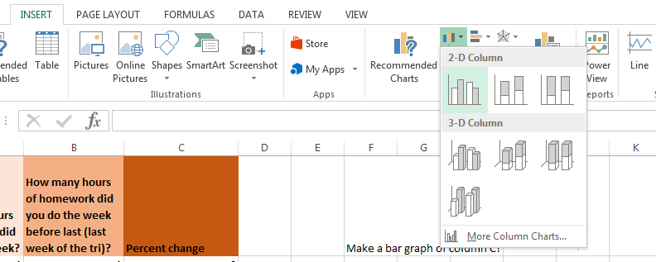
3 | 4 | -0.25
4 | 5 | -0.2
7 | 7 | 0
5 | 5 | 0
3 | 8 | -0.625

5 | 4 | 0.25
4 | 4 | 0
0 | 0 | #DIV/0!
0 | 0 | #DIV/0!
0 | 0 | #DIV/0!
0 | 0 | #DIV/0!
0 | 0 | #DIV/0!
0 | 0 | #DIV/0!
0 | 0 | #DIV/0!
0 | 0 | #DIV/0!
0 | 0 | #DIV/0!
0 | 0 | #DIV/0!
0 | 0 | #DIV/0!
0 | 0 | #DIV/0!
0 | 0 | #DIV/0!
0 | 0 | #DIV/0!
0 | 0 | #DIV/0!
0 | 0 | #DIV/0!
0 | 0 | #DIV/0!

